How To
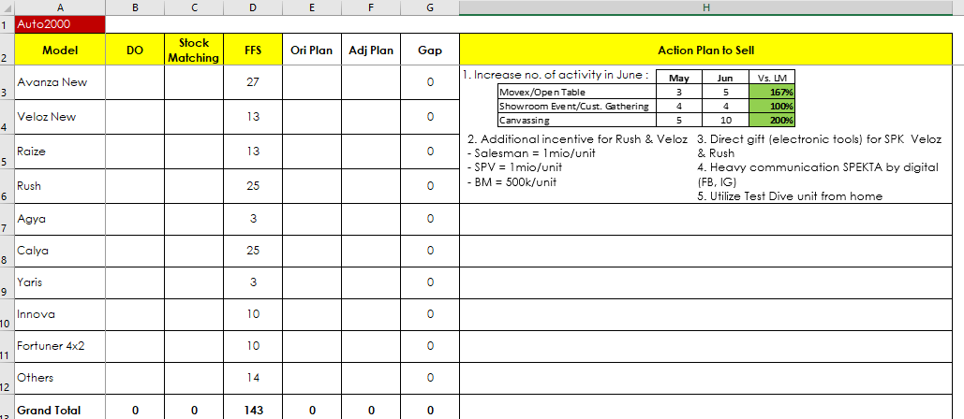
1. | Update data yang ada di sheet "OS" yang di kolom KUNING SECARA 5 HARIAN, yang tidak berwarna kuning jangan di otak-atik

Input di kolom STATUS SPK dan STATUS SUPPLY harus sesuai dengan standard naming berikut, jangan memasukkan nama / ejaan lainnya
 | Dealer | Outlet Code (Sales Code) | Outlet Name | Katashiki | Suffix | Tanggal SPK | Status SPK | Status Supply | Tanggal Cut Of
 |  |  |  |  |  |  | FIRMED | MATCH MDP
 |  |  |  |  |  |  | PENDING LOAN | MATCH SUPPLY STOCK ON HAND
 |  |  |  |  |  |  | ALREADY DO | UNMATCH
 |  |  |  |  |  |  | CANCEL
 |  |  |  |  |  |  | CUSTOMER PENDING ISSUE

2.

 |  |  |  | Update tanggal cut off tiap 5 HARIAN

3. | Setelah semua data sudah diinput dengan benar, silahkan masuk ke sheet "Pvt OS" -> klik 1x di pivot table manapun -> pilih di menu bar "Analyze" -> pilih "Refresh All"
4. | Masuk ke sheet "AO Report" -> input angka OP Target pada kolom yang tersedia
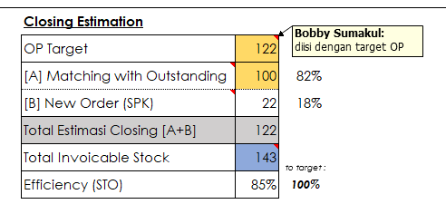

5. | Masuk ke sheet "Action Plan" -> input angka Stock, MDP, dan Carry Over unit pada tabel yang tersedia
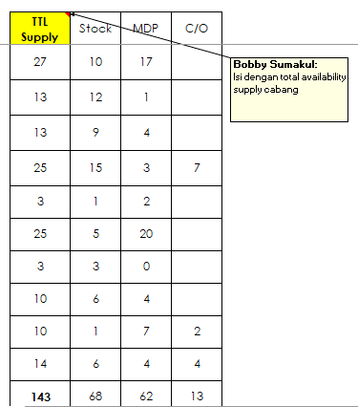

6. | Input plan DO from OS Matching per 5 harian dengan mempertimbangkan jumlah Stock On Hand dan MDP heijunka
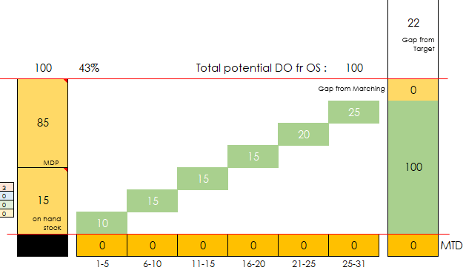

7. | Masuk ke sheet "Reason Unmatch" -> update kolom yang ada dengan angka yang ada pada pivot di sebelah kanan -> jelaskan pula reason pada kolom "Remarks"
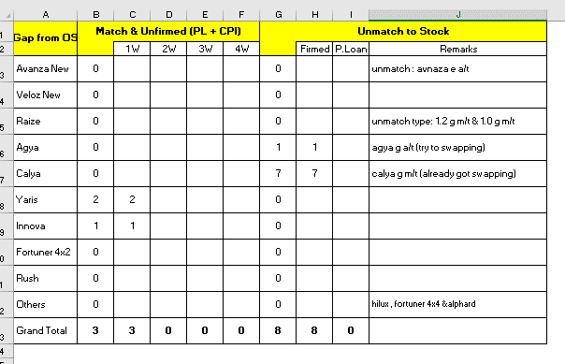

8. | Masuk ke sheet "Action Plan" -> update kolom yang ada dengan angka yang ada pada pivot di sebelah kanan -> jelaskan pula reason pada kolom "Action Plan to Sell"

AO Report(0)
 |  |  |  |  |  |  |  |  |  |  |  | ''
AREA OPERATION REPORT - TUNAS NATIONAL - as of |  |  |  |  |  |  |  |  |  |  |  |  |  | 2026-08-10

 | [A] Stock Matching with OS |  |  |  |  |  |  |  |  |  |  |  |  |  |  |  |  |  |  |  |  |  |  |  | Closing Estimation |  |  | RSSP OM |  | 85%

unfirmed
Free for sales
Free for sales
>60 days
>60 days
match
unmatch
unfirmed >30d
 |  |  |  | 53 |  |  |  |  |  |  |  |  |  |  |  |  |  |  |  |  |  |  |  |  | OAP Target | 92 |  | OPT | 87 | 39
 | 123 | 123 |  | 1 |  |  |  |  |  |  | MATCHING RATIO |  | 79% |  |  |  |  |  |  |  |  |  |  |  | [A] Matching with Outstanding | 53 | 58% | EC | 2185
 | 81 | 81 |  |  | 0 |  |  |  |  |  |  |  |  |  |  |  |  |  |  |  |  |  |  |  | [B] New Order (SPK) | 39 | 42% | Gap | 2,132
match
unfirmed >30d
OAP
Target
to target :
 |  |  |  | 4 |  |  | 5 |  |  |  |  |  |  |  |  |  |  |  |  | 92 |  |  |  |  | Total Estimasi Closing [A+B] | 92 | 100% |  | 2185
30-60 days
match
 |  |  |  |  | 0 |  | 0 |  |  |  |  |  |  |  |  |  |  |  |  | 39 |  |  |  |  | Total Invoicable Stock | 133 |  |  | 2,093
firmed
& match
Gap from Target
 |  |  |  | 0 |  |  | 7 | 0 |  |  |  |  |  |  |  |  |  |  |  |  |  |  |  |  | Efficiency (STO) | 69% |  | 2,072 | 0.97505882353
>60 days
firmed >30d
 |  |  |  |  | 0
firmed
& match
unmatch stock
firmed < 30d
 |  |  |  | 0 |  |  |  | 0
30-60 days
unfirmed <30d
 |  |  |  |  | 0 |  |  | 7 |  |  |  | 42 |  |  |  |  | Total potential DO fr OS : | 53
firmed
firmed >30d
 |  |  |  | 48 | 18 |  | 42 | 0 |  |  |  | 26 |  |  |  |  |  |  |  | 1 |  |  |  |  |  |  |  | 80.96 | 1960
 |  |  |  |  |  |  |  | 18 |  |  |  |  |  |  |  |  |  | 13 |  | 43 |  |  |  |  |  |  |  |  | 1,868 | 52
OS <30 days
 |  |  |  |  |  |  |  |  |  |  |  |  |  |  |  |  | 11 |  |  |  |  |  |  |  |  |  |  |  |  | 1800
firmed
firmed < 30d
MDP
 |  |  |  |  |  |  |  |  |  |  |  |  |  |  |  | 10 |  |  |  |  |  |  |  |  |  |  |  |  |  | 1748
match
match
 | 42 | 42 |  |  | 30 |  |  | 24 |  |  |  | 16 |  |  | 9
match
stock
on hand
stock
 |  |  |  |  |  |  |  |  |  |  |  |  |  | 0 | s
(PL + CPI)
match
(PL + CPI)
 |  |  |  |  |  |  |  |  |  |  |  |  | 0
 |  |  |  | ,, |  |  |  |  |  |  |  |  | 3 | 7 |  |  |  |  |  | 10 | MTD
 | Full Stock | Invoicable Stk |  | OS Order |  |  | Stock Matching |  |  |  |  |  | 1-5 | 6-10 | 11-15 | 16-20 | 21-25 | 25-31

 |  |  |  |  |  |  |  |  |  |  |  |  |  |  | 40% | 60% |  | #REF!
 | [B] Matching Stock from Order
 |  |  |  |  |  |  |  |  |  |  |  |  |  |  |  |  |  |  |  |  |  |  |  |  |  |  |  |  |  |  | SPK Nett actual
 | SPK plan |  |  |  |  |  |  |  |  |  |  |  |  |  |  |  |  |  |  |  |  |  |  |  |  |  |  |  |  |  | GAP
 |  |  | 1-5 | 6-10 | 11-15 | 16-20 | 21-25 | 25-31 |  |  |  |  |  |  |  |  |  |  |  | 114
 |  | TTL | Effective to N RS |  |  |  | For N+1 RS |  |  |  |  |  |  |  |  |  |  | 19 |  | 38 |  | N+1 OP tgt | Day 21-30 CKD SPK | Comp.
 | SPK Gross Plan | 122 | 80 |  |  |  | 42
Become OS
 |  |  | 20 | 20 | 20 | 20 | 20 | 22
 | SPK Gross actual | 54 | 30 | 24 |  |  |  |  |  |  |  |  |  |  |  |  | 19 |  |  |  |  | 1727 | 38 | 2%
 | GAP |  | +10 | +4 | -20 | -20 | -20 | -22
Average 8 days
 |  |  |  |  |  |  |  |  |  |  |  |  |  |  |  | 19 |  |  |  | 76
 | Cancellation assum. | 6 | 1 | 1 | 1 | 1 | 1 | 1 |  | Cancel ratio
SPK-AFI L/T
Effective to May RS
 | Cancellation actual | 0 | 0 | 0 | 0 | 0 | 0 |  |  | 3m avg. | Loan rej. |  |  |  | 19
 | Cancellation ratio |  | 0% | 0% | 0% | 0% | 0% | 0% |  | 4% | 2%
 |  |  |  |  |  |  |  |  |  |  |  |  |  | 19
 | SPK Nett Plan | 114 | 76 |  |  |  | 38
Nett SPK Visualize
 |  |  | 19 | 19 | 19 | 19 | 19 | 19
 | SPK Nett actual | 54 | 30 | 24 | 0 | 0 | 0 | 0 |  |  |  |  | 19
 | GAP |  | +11 | +5 | -19 | -19 | -19 | -19
 |  |  |  |  |  |  |  |  |  |  |  |  | 19 | 38 | 57 | 76 | 95 | 114
 |  |  |  |  |  |  |  |  |  |  |  |  | 1-5 | 6-10 | 11-15 | 16-20 | 21-25 | 25-31
 | MDP plan |  |  |  |  |  |  |  |  |  |  | RS plan
 | 81
 | 0 | 0
 | 0 | 0 |  |  |  |  |  |  |  |  |  |  |  |  |  |  |  | 12 |  | 39
 | 81 |  |  |  |  |  |  | 17
 |  |  |  |  |  |  | 12 |  |  |  |  |  |  |  |  |  | 10
FFS selling plan
from
new order
 |  |  |  |  |  | 15
 |  |  |  |  | 14 |  |  |  |  |  |  |  |  |  |  | 9
 |  |  |  | 9 |  |  |  |  |  |  |  |  |  |  | 8
 |  |  | 6 |  |  |  |  |  |  |  |  |  |  | 0
 |  | 38 |  |  |  |  |  |  |  |  |  |  | 0
 | FFS | 38 | 44 | 53 | 67 | 82 | 94 | 111 | Accum. |  |  |  | 0 | 0 | 8 | 17 | 27 | 39 | Accum.
 |  |  |  |  |  |  |  |  |  |  |  |  | 0% | 0% | 12% | 21% | 29% | 35% | [B]RS / FFS MTD
 |  | 0 OH Stock | 1-5 | 6-10 | 11-15 | 16-20 | 21-25 | 25-31 |  |  |  |  | 1-5 | 6-10 | 11-15 | 16-20 | 21-25 | 25-31 |  |  |  |  |  |  |  |  |  |  |  |  | SPK Nett Plan

 |  |  |  |  |  |  |  | 17 |  |  |  |  | 1-5 | 6-10 | 11-15 | 16-20 | 21-25 | 25-31 |  | Full Month |  |  |  |  | -137
 |  |  |  |  |  |  |  |  |  |  |  | TTL Supply | 57 | 14 | 14 | 15 | 12 | 17 |  | 129
 |  |  |  |  |  |  |  |  |  |  |  | OH Stock | 38 |  |  |  |  |  |  | 38 |  |  |  |  | -124
 |  |  |  |  |  |  |  |  |  |  |  | MDP | 6 | 9 | 14 | 15 | 12 | 17 |  | 73
 |  |  |  |  |  |  |  |  |  |  |  | C/O | 13 | 5 |  |  |  |  |  | 18

 |  |  |  |  |  |  |  |  |  |  |  |  |  |  | 21% | 23% | 26% | 30% |  | 100%
 |  | 76 | 15 | 11 | 11 | 15 | 11 | 11
 |  |  |  |  |  |  |  |  |  |  |  |  |  |  | 21% | 23% | 26% | 30% |  | 100% |  | 39 |  | 92
 |  | 101 | 20% | 15% | 15% | 20% | 15% | 15% |  | 100% |  |  | 20% | 10% | 10% | 20% | 20% | 20% | 0% | 100%
 |  |  | 20 | 15 | 15 | 20 | 15 | 15 | 0 |  |  |  |  |  |  |  |  |  |  |  |  | 145
 |  |  |  |  |  |  |  |  |  |  |  |  | 3 | 0 | 9 | 10 | 11 | 13
 |  |  |  |  |  |  |  |  |  |  |  |  | 0 | 0 | 8 | 9 | 10 | 12
 |  |  |  |  |  |  |  |  |  |  |  |  | 3 | 0 | 17 | 19 | 21 | 25 |  | 85
 |  |  |  |  |  |  |  |  |  |  |  |  | 4% | 0% | 20% | 22% | 25% | 29%
 |  |  |  |  |  |  |  |  |  |  |  |  |  |  | 24% |  | 71%
 |  |  |  |  |  |  |  | 16.666666667 |  |  |  |  | 0.125 | 0.125 | 0.13 | 0.2 | 0.21 | 0.21

 |  |  |  |  |  |  |  |  |  |  |  | 17 | 0 | 0 | 17 | 19 | 21 | 25 |  | 82
 |  |  |  |  |  |  |  |  |  |  |  | 21% | 0% | 0% | 21% | 23% | 26% | 30%

 |  |  |  |  |  |  |  |  |  |  |  |  |  |  | 17 | 36 |  |  |  | 25 |  | 30%
 |  |  |  |  |  |  |  |  |  |  |  |  |  |  |  |  |  |  |  | 49 |  | 60%

 |  |  |  |  |  |  |  |  |  |  |  |  |  |  | 1% | 0.43902439024

